En-Curve
 |  |  |  |  |  |  |  |  |  |  |  |  |  |  |  |  |  |  |  | QF-LDC-12
Date | 11-03-2026 |  |  |  |  |  |  |  |  |  |  |  |  |  |  | Power Grid Bangladesh PLC
TIME | Gas-Public | Gas-Pvt | HVDC | Nepal | Tripura | Adani | Hydro | Coal | Solar | HFO-Public | HFO-Pvt | HSD-Public | HSD-Pvt | Wind | Shortage | National Load Dispatch Center (NLDC)
00:00 | 3018.00 | 1599.00 | 902.00 | 0.00 | 168.00 | 1447.00 | 80.00 | 4609.00 | 0.00 | 348.00 | 1201.50 | 0.00 | 0.00 | 0.00 | 0.00 | DAILY ENERGY CURVE
00:30 | 3019.00 | 1576.00 | 901.50 | 0.00 | 163.00 | 1377.00 | 80.00 | 4537.50 | 0.00 | 319.00 | 1170.10 | 0.00 | 0.00 | 0.00 | 0.00 | 11-03-2026
01:00 | 3020.00 | 1553.00 | 901.00 | 0.00 | 158.00 | 1307.00 | 80.00 | 4466.00 | 0.00 | 290.00 | 1138.70 | 0.00 | 0.00 | 0.00 | 0.00
01:30 | 2911.00 | 1505.00 | 901.00 | 0.00 | 157.00 | 1265.00 | 80.00 | 4393.50 | 0.00 | 280.00 | 1147.60 | 0.00 | 0.00 | 0.00 | 0.00 | Energy Generated | 320.21876796 |  | MKWHr
02:00 | 2802.00 | 1457.00 | 901.00 | 0.00 | 156.00 | 1223.00 | 80.00 | 4321.00 | 0.00 | 270.00 | 1156.50 | 0.00 | 0.00 | 0.00 | 0.00 | Energy not Served | 3.58200000 |  | MKWHr
02:30 | 2771.00 | 1446.00 | 901.00 | 0.00 | 155.00 | 1273.50 | 80.00 | 4349.00 | 0.00 | 291.50 | 1201.30 | 0.00 | 0.00 | 0.00 | 0.00 | Total Energy Requirement | 323.80076796 |  | MKWHr
03:00 | 2740.00 | 1435.00 | 901.00 | 0.00 | 154.00 | 1324.00 | 80.00 | 4377.00 | 0.00 | 313.00 | 1246.10 | 0.00 | 0.00 | 0.00 | 0.00
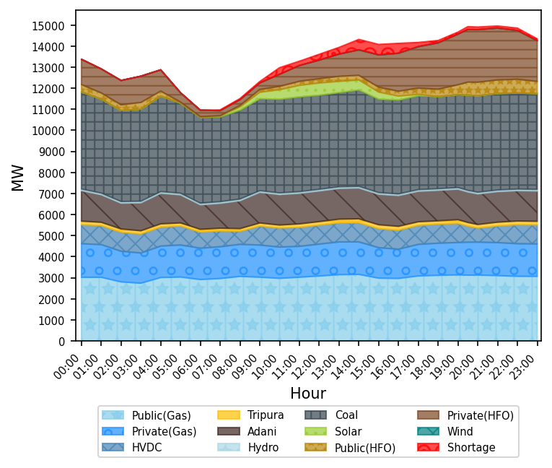
03:30 | 2874.50 | 1465.00 | 901.00 | 0.00 | 154.00 | 1387.50 | 80.00 | 4457.00 | 0.00 | 274.50 | 1127.35 | 0.00 | 0.00 | 0.00 | 0.00
04:00 | 3009.00 | 1495.00 | 901.00 | 0.00 | 154.00 | 1451.00 | 80.00 | 4537.00 | 0.00 | 236.00 | 1008.60 | 0.00 | 0.00 | 0.00 | 0.00
04:30 | 3020.50 | 1509.50 | 901.00 | 0.00 | 150.00 | 1390.50 | 80.00 | 4407.00 | 0.00 | 144.00 | 725.00 | 0.00 | 0.00 | 0.00 | 0.00
05:00 | 3032.00 | 1524.00 | 901.00 | 0.00 | 146.00 | 1330.00 | 80.00 | 4277.00 | 0.00 | 52.00 | 441.40 | 0.00 | 0.00 | 0.00 | 0.00
05:30 | 2973.00 | 1506.50 | 830.50 | 0.00 | 141.00 | 1246.50 | 80.00 | 4175.00 | 0.00 | 43.00 | 372.95 | 0.00 | 0.00 | 0.00 | 0.00
06:00 | 2914.00 | 1489.00 | 760.00 | 0.00 | 136.00 | 1163.00 | 80.00 | 4073.00 | 0.00 | 34.00 | 304.50 | 0.00 | 0.00 | 0.00 | 0.00
06:30 | 2938.00 | 1499.50 | 755.00 | 0.00 | 133.00 | 1171.50 | 80.00 | 4049.00 | 20.41 | 25.50 | 271.75 | 0.00 | 0.00 | 0.00 | 19.00
07:00 | 2962.00 | 1510.00 | 750.00 | 0.00 | 130.00 | 1180.00 | 80.00 | 4025.00 | 40.81 | 17.00 | 239.00 | 0.00 | 0.00 | 0.00 | 38.00
07:30 | 3011.50 | 1517.50 | 684.00 | 0.00 | 129.00 | 1252.00 | 80.00 | 4121.50 | 99.09 | 43.00 | 257.50 | 0.00 | 0.00 | 0.00 | 45.50
08:00 | 3061.00 | 1525.00 | 618.00 | 0.00 | 128.00 | 1324.00 | 80.00 | 4218.00 | 157.37 | 69.00 | 276.00 | 0.00 | 0.00 | 0.00 | 53.00
08:30 | 3043.00 | 1526.00 | 760.00 | 0.00 | 137.00 | 1388.87 | 80.00 | 4291.00 | 233.60 | 101.00 | 292.50 | 0.00 | 0.00 | 0.00 | 62.00
09:00 | 3025.00 | 1527.00 | 902.00 | 0.00 | 146.00 | 1453.74 | 80.00 | 4364.00 | 309.83 | 133.00 | 309.00 | 0.00 | 0.00 | 0.00 | 71.00
09:30 | 2998.00 | 1506.50 | 902.50 | 0.00 | 144.00 | 1449.92 | 80.00 | 4406.00 | 381.25 | 145.50 | 441.50 | 0.00 | 0.00 | 0.00 | 193.50
10:00 | 2971.00 | 1486.00 | 903.00 | 0.00 | 142.00 | 1446.10 | 80.00 | 4448.00 | 452.66 | 158.00 | 574.00 | 0.00 | 0.00 | 0.00 | 316.00
10:30 | 2997.50 | 1476.50 | 903.00 | 0.00 | 153.00 | 1447.83 | 80.00 | 4473.50 | 500.78 | 176.00 | 661.25 | 0.00 | 0.00 | 0.00 | 261.00
11:00 | 3024.00 | 1467.00 | 903.00 | 0.00 | 164.00 | 1449.55 | 80.00 | 4499.00 | 548.90 | 194.00 | 748.50 | 0.00 | 0.00 | 0.00 | 206.00
11:30 | 3053.00 | 1491.50 | 903.00 | 0.00 | 164.00 | 1452.03 | 80.00 | 4483.00 | 565.51 | 199.00 | 814.65 | 0.00 | 0.00 | 0.00 | 242.00
12:00 | 3082.00 | 1516.00 | 903.00 | 0.00 | 164.00 | 1454.50 | 80.00 | 4467.00 | 582.12 | 204.00 | 880.80 | 0.00 | 0.00 | 0.00 | 278.00
12:30 | 3113.50 | 1536.00 | 903.00 | 0.00 | 171.00 | 1455.71 | 80.00 | 4469.00 | 558.83 | 221.00 | 968.50 | 0.00 | 0.00 | 0.00 | 299.00
13:00 | 3145.00 | 1556.00 | 903.00 | 0.00 | 178.00 | 1456.92 | 80.00 | 4471.00 | 535.54 | 238.00 | 1056.20 | 0.00 | 0.00 | 0.00 | 320.00
13:30 | 3152.00 | 1550.00 | 903.00 | 0.00 | 185.00 | 1459.33 | 80.00 | 4524.00 | 505.39 | 228.50 | 1132.15 | 0.00 | 0.00 | 1.50 | 408.00
14:00 | 3159.00 | 1544.00 | 903.00 | 0.00 | 192.00 | 1461.74 | 80.00 | 4577.00 | 475.23 | 219.00 | 1208.10 | 0.00 | 0.00 | 3.00 | 496.00
14:30 | 3069.00 | 1496.50 | 902.50 | 0.00 | 189.00 | 1454.38 | 80.00 | 4506.00 | 406.78 | 225.50 | 1369.65 | 0.00 | 0.00 | 2.50 | 497.50
15:00 | 2979.00 | 1449.00 | 902.00 | 0.00 | 186.00 | 1447.01 | 80.00 | 4435.00 | 338.32 | 232.00 | 1531.20 | 0.00 | 0.00 | 2.00 | 499.00
15:30 | 2972.50 | 1419.00 | 902.00 | 0.00 | 185.00 | 1453.19 | 80.00 | 4446.00 | 263.04 | 232.00 | 1664.95 | 0.00 | 0.00 | 5.50 | 483.00
16:00 | 2966.00 | 1389.00 | 902.00 | 0.00 | 184.00 | 1459.36 | 80.00 | 4457.00 | 187.75 | 232.00 | 1798.70 | 0.00 | 0.00 | 9.00 | 467.00
16:30 | 3025.00 | 1445.00 | 902.50 | 0.00 | 177.00 | 1452.33 | 80.00 | 4455.50 | 129.69 | 266.00 | 1879.35 | 0.00 | 0.00 | 9.00 | 332.00
17:00 | 3084.00 | 1501.00 | 903.00 | 0.00 | 170.00 | 1445.29 | 80.00 | 4454.00 | 71.62 | 300.00 | 1960.00 | 0.00 | 0.00 | 9.00 | 197.00
17:30 | 3099.00 | 1513.50 | 903.00 | 0.00 | 165.00 | 1445.47 | 80.00 | 4412.00 | 36.31 | 326.50 | 2079.50 | 0.00 | 0.00 | 6.50 | 154.00
18:00 | 3114.00 | 1526.00 | 903.00 | 0.00 | 160.00 | 1445.64 | 80.00 | 4370.00 | 1.00 | 353.00 | 2199.00 | 0.00 | 0.00 | 4.00 | 111.00
18:30 | 3124.50 | 1532.50 | 902.50 | 0.00 | 171.00 | 1445.55 | 80.00 | 4390.50 | 0.50 | 410.50 | 2301.40 | 0.00 | 0.00 | 2.50 | 105.00
19:00 | 3135.00 | 1539.00 | 902.00 | 0.00 | 182.00 | 1445.45 | 80.00 | 4411.00 | 0.00 | 468.00 | 2403.80 | 0.00 | 0.00 | 1.00 | 99.00
19:30 | 3120.00 | 1567.00 | 764.00 | 0.00 | 174.00 | 1444.94 | 80.00 | 4527.00 | 0.00 | 613.00 | 2495.80 | 0.00 | 0.00 | 0.00 | 139.00
20:00 | 3126.00 | 1566.00 | 666.00 | 0.00 | 170.00 | 1451.56 | 80.00 | 4583.00 | 0.00 | 643.00 | 2495.40 | 0.00 | 0.00 | 0.00 | 125.00
20:30 | 3113.50 | 1567.00 | 729.50 | 0.00 | 173.00 | 1450.38 | 80.00 | 4583.00 | 0.00 | 643.50 | 2478.65 | 0.00 | 0.00 | 0.00 | 112.50
21:00 | 3101.00 | 1568.00 | 793.00 | 0.00 | 176.00 | 1449.19 | 80.00 | 4583.00 | 0.00 | 644.00 | 2461.90 | 0.00 | 0.00 | 0.00 | 100.00
21:30 | 3084.00 | 1559.00 | 847.50 | 0.00 | 175.00 | 1444.11 | 80.00 | 4571.50 | 0.00 | 650.00 | 2387.05 | 0.00 | 0.00 | 0.00 | 108.00
22:00 | 3067.00 | 1550.00 | 902.00 | 0.00 | 174.00 | 1439.02 | 80.00 | 4560.00 | 0.00 | 656.00 | 2312.20 | 0.00 | 0.00 | 0.00 | 116.00
22:30 | 3065.00 | 1547.00 | 901.50 | 0.00 | 173.00 | 1438.28 | 80.00 | 4555.00 | 0.00 | 615.50 | 2123.10 | 0.00 | 0.00 | 0.00 | 103.00
23:00 | 3063.00 | 1544.00 | 901.00 | 0.00 | 172.00 | 1437.53 | 80.00 | 4550.00 | 0.00 | 575.00 | 1934.00 | 0.00 | 0.00 | 0.00 | 90.00
 |  |  |  |  |  |  |  |  |  |  |  |  |  |  |  |  |  | Executive Engineer
 |  |  |  |  |  |  |  |  |  |  |  |  |  |  |  |  |  | Network Operation Division

L-Curve
 |  |  |  |  |  | QF-LDC-11
Date | 11-03-2026 |  |  | Power Grid Bangladesh PLC
TIME | EAST GRID | WEST GRID | TOTAL | National Load Dispatch Center (NLDC)
00:00 | 7174.50 | 6198.00 | 13372.50 | DAILY GENERATION CURVE
00:30 | 7091.10 | 6052.00 | 13143.10
01:00 | 7007.70 | 5906.00 | 12913.70 | 11-03-2026
01:30 | 6940.60 | 5699.50 | 12640.10
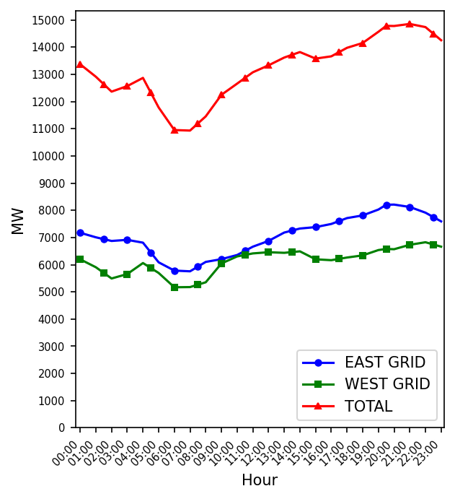
02:00 | 6873.50 | 5493.00 | 12366.50
02:30 | 6893.80 | 5574.50 | 12468.30
03:00 | 6914.10 | 5656.00 | 12570.10
03:30 | 6862.35 | 5858.50 | 12720.85
04:00 | 6810.60 | 6061.00 | 12871.60
04:30 | 6449.00 | 5878.50 | 12327.50
05:00 | 6087.40 | 5696.00 | 11783.40
05:30 | 5935.45 | 5433.00 | 11368.45
06:00 | 5783.50 | 5170.00 | 10953.50
06:30 | 5770.15 | 5173.51 | 10943.66
07:00 | 5756.80 | 5177.01 | 10933.81
07:30 | 5929.85 | 5265.24 | 11195.09
08:00 | 6102.90 | 5353.47 | 11456.37
08:30 | 6153.38 | 5699.60 | 11852.97
09:00 | 6203.85 | 6045.72 | 12249.57
09:30 | 6280.19 | 6174.98 | 12455.17
10:00 | 6356.52 | 6304.24 | 12660.76
10:30 | 6509.53 | 6359.83 | 12869.36
11:00 | 6662.53 | 6415.42 | 13077.95
11:30 | 6768.53 | 6437.16 | 13205.69
12:00 | 6874.53 | 6458.89 | 13333.42
12:30 | 7028.46 | 6448.08 | 13476.54
13:00 | 7182.39 | 6437.27 | 13619.66
13:30 | 7256.46 | 6464.41 | 13720.87
14:00 | 7330.52 | 6491.55 | 13822.07
14:30 | 7356.65 | 6345.15 | 13701.80
15:00 | 7382.78 | 6198.75 | 13581.53
15:30 | 7440.76 | 6182.42 | 13623.17
16:00 | 7498.73 | 6166.08 | 13664.81
16:30 | 7606.44 | 6214.93 | 13821.36
17:00 | 7714.14 | 6263.77 | 13977.91
17:30 | 7763.57 | 6303.21 | 14066.78
18:00 | 7813.00 | 6342.64 | 14155.64
18:30 | 7920.90 | 6440.55 | 14361.45
19:00 | 8028.80 | 6538.45 | 14567.25
19:30 | 8205.80 | 6579.94 | 14785.74
20:00 | 8211.40 | 6569.56 | 14780.96
20:30 | 8167.65 | 6650.88 | 14818.53 |  | Executive Engineer
21:00 | 8123.90 | 6732.19 | 14856.09 |  | Network Operation Division
21:30 | 8018.95 | 6779.21 | 14798.16
22:00 | 7914.00 | 6826.22 | 14740.22
22:30 | 7753.50 | 6744.88 | 14498.38
23:00 | 7593.00 | 6663.53 | 14256.53

P1

 |  |  |  | Power Grid Bangladesh PLC
 |  |  |  | National Load Dispatch Center (NLDC)
 |  |  |  | System Summary Report

 |  | Date : | 11-03-2026
 |  |  | Power Supply Scenario
 | Day Peak Generation |  |  | 13333.42 | MW | 12:00 Hr. | Energy Generated |  |  | 320.21877 |  | MKWHr.
 | Day Peak Demand |  |  | 13624.42 | MW | 12:00 Hr. | Energy Unserverd |  |  | 3.58200 |  | MKWHr.
 | Evening Peak Generation |  |  | 14856.09 | MW | 21:00 Hr. | Energy Demand |  |  | 323.80077 |  | MKWHr.
 | Evening Peak Demand |  |  | 14960.09 | MW | 21:00 Hr. | Maximum Temperature |  |  | 32.10 |  | °C
 | Minimum Generation of the Day |  |  | 10933.81 | MW | 07:00 Hr. | Total Gas Supplied |  |  | 814.73 |  | MMCFD
 | Maximum Generation of the Day |  |  | 14856.09 | MW | 21:00 Hr. | Production Cost per KWHr |  |  | 6.66289 |  | Tk.

 |  |  | Zone-wise Generation Summary (MKWHr.)
 |  |  |  | Gas | Coal | HFO | HSD | Hydro | Solar | Import | Wind | Total
 | Dhaka Zone |  |  | 31.11 | 0.00 | 17.09 | 0.00 | 0.00 | 0.17 | 0.00 | 0.00 | 48.37 | Gas | 110.75042145 | Gas | 379549868.73
 | Chattogram Zone |  |  | 4.34 | 47.47 | 5.37 | 0.00 | 1.92 | 0.12 | 0.00 | 0.03 | 59.24 | Coal | 106.85609855 | Coal | 697585597.45
 | Cumilla Zone |  |  | 22.51 | 0.00 | 6.06 | 0.00 | 0.00 | 0.39 | 3.89 | 0.00 | 32.85 | HFO | 38.5550368 | HFO | 657030009.02
 | Mymensingh Zone |  |  | 0.21 | 0.00 | 3.77 | 0.00 | 0.00 | 0.24 | 0.00 | 0.00 | 4.22 | HSD | 0 | HSD | 0
 | Sylhet Zone |  |  | 26.53 | 0.00 | 0.00 | 0.00 | 0.00 | 0.05 | 0.00 | 0.00 | 26.59 | Hydro | 1.9197 | Hydro | 191970
 | Khulna Zone |  |  | 4.32 | 26.39 | 0.21 | 0.00 | 0.00 | 0.51 | 20.90 | 0.00 | 52.33 | Solar | 3.75713516 | Solar | 60178541.992
 | Barishal Zone |  |  | 8.21 | 32.31 | 0.82 | 0.00 | 0.00 | 0.00 | 0.00 | 0.00 | 41.33 | Import | 58.353976 | Import | 338658061.89
 | Rajshahi Zone |  |  | 13.52 | 0.00 | 2.34 | 0.00 | 0.00 | 1.12 | 33.56 | 0.00 | 50.55 | Wind | 0.0264 | Wind | 388344
 | Rangpur Zone |  |  | 0.00 | 0.68 | 2.91 | 0.00 | 0.00 | 1.15 | 0.00 | 0.00 | 4.74
 | Total |  |  | 110.75 | 106.86 | 38.56 | 0.00 | 1.92 | 3.76 | 58.35 | 0.03 | 320.22

Fuel-Wise Generation Summary
Cost-Wise Generation Summary

 |  |  |  | Production Cost (Tk.)
 |  |  |  | Fuel | Tk. |  | Fuel | Tk.
 |  |  |  | Gas | 379549868.73 |  | Hydro | 191970
 |  |  |  | Coal | 697585597.45 |  | Solar | 60178541.992
 |  |  |  | HFO | 657030009.02 |  | Import | 338658061.89
 |  |  |  | HSD | 0 |  | Wind | 388344
 |  |  |  |  | Total: | 213,35,82,393 |  | Tk.

E-W Interconnector & Import Scenario
Energy Flow from East to West: |  |  | KWHr: | 0 |  | Import through HVDC C/B Interconnector: |  |  | MKWHr: | 20.898909 | Peak Hr Flow | 793.00 MW at 21:00 hrs.
Energy Flow from West to East: |  |  | KWHr: | 44510709.09 |  | Import through Adani C/B Interconnector: |  |  | MKWHr: | 33.564187 | Peak Hr Flow | 1449.19 MW at 21:00 hrs.
Power Flow during Peak Demand (W-E): |  |  | MW: | 2122 |  | Import through Cumilla C/B Interconnector: |  |  | MKWHr: | 3.89088 | Peak Hr Flow | 176.00 MW at 21:00 hrs.
Maximum Power Flow (W-E): |  |  | MW: | 2605 |  | Total Import through C/B Interconnector: |  |  | MKWHr: | 58.353976 | Peak Hr Flow | 2418.19 MW at 21:00 hrs.

 |  |  | Zone-wise Load-shed and Demand Summary (MW) at evening peak Hour (21:00 Hr.)
 |  |  |  | Zone |  | Load-Shed |  | Demand
 |  |  |  | Dhaka |  | 0 |  | 5463
 |  |  |  | Chattogram |  | 40 |  | 1416
 |  |  |  | Cumilla |  | 15 |  | 1370
 |  |  |  | Mymensingh |  | 25 |  | 1217
 |  |  |  | Sylhet |  | 10 |  | 570
 |  |  |  | Khulna |  | 10 |  | 1672
 |  |  |  | Barishal |  | 0 |  | 414
 |  |  |  | Rajshahi |  | 0 |  | 1459
 |  |  |  | Rangpur |  | 0 |  | 892
 |  |  |  | Total |  | 100 |  | 14473

 |  | Status of unavailable Power Plant
 |  | Planned S/D |  |  |  |  | Forced S/D
 |  | Sl | Plant Name |  |  | Capacity | Sl | Plant Name |  |  | Capacity
 |  | 1 | Baghabari 100 MW GTPP |  |  | 100
 |  | 2 | Barapukuria TPP Unit-2 |  |  | 85
 |  | 3 | Siddhirgonj 210 MW TPP |  |  | 115
 |  |  |  |  | Total | 300 |  |  |  | Total | 0
 |  |  |  | Total Unavailable Capacity |  |  |  | 300

 |  |  |  |  | Event Summary
 | Outage Time | Restoration Time | Description of Event |  |  |  |  |  |  |  | Description of Event
 | 08:20 | 14:37 | Gallamari- Khulna (S) 132kV Ckt-1 Scheduled S/D from Khulna(S) 230/132kV end. and from
 |  |  | Gollamari 132/33kV end Due to OPGW inspection work.

 |  | 08:22 | Sreemongol 132/33kV S/S 132/33kv T-3 HT is restored.

 | 08:25 | 16:46 | Chowmuhani 230/132/33kV S/S Korerhat-04 Scheduled S/D Due to Painting and Silicon work

 | 08:31 | 15:11 | Chowmuhani 230/132/33kV S/S ATR-02 LT Scheduled S/D Due to Shield wire and PI
 |  |  | resplendent.

 | 08:31 | 15:11 | Chowmuhani 230/132/33kV S/S ATR-02 HT Scheduled S/D Due to Shield wire and PI
 |  |  | resplendent.

 | 08:33 |  | Aminbazar-Keraniganj 230kV Ckt-2 Scheduled S/D from Keranigonj 230/132/33kV end Due to
 |  |  | Line disk insulator cleaning from Aminbazar end. Shut-down according to NLDC instraction.
 |  |  | and from Aminbazar 400/230/132kV end Due to Disc cleaning

 | 09:06 | 16:26 | Sylhet-Sylhet (South) 132KV Ckt-2 Scheduled S/D from Sylhet 132/33kV end Due to Work of
 |  |  | Sylhet (South) end

 | 09:15 | 16:05 | Baroirhat-Hathazari 132 kV Ckt-1 Scheduled S/D from Hathazari 230/132/33kV end.

 | 09:33 |  | Khulna(S) 230/132kV S/S Rupsha Ckt-2 Project Work S/D Due to Project work at Transmission
 |  |  | line.

 | 09:56 |  | Bhulta-Haripur 230 kV Ckt-1 Scheduled S/D from Bhulta 400/230kV end Due to OPGW Stringing
 |  |  | by EEGBPSP and from Haripur 230/132kV end Due to QPGW Changing work.

 | 11:45 |  | Chandina 132/33kV S/S TR-2 LT Forced S/D Due to For isolator changing work by PDB.
 |  |  | Clearance by Md. Motiur Rahman (SAE) PDB.

 | 12:06 |  | Baghabari 230/132kV S/S T-1 LT Scheduled S/D Due to Maintenance work

 | 12:06 |  | Baghabari 230/132kV S/S T-1 HT Scheduled S/D Due to Maintenance work

 | 12:24 | 12:35 | Bakerganj 132/33kV S/S T1 LT Scheduled S/D Due to 33 kV incoming 1 CT connection change.

 | 12:25 | 12:35 | Bakerganj 132/33kV S/S T1 HT Scheduled S/D Due to 33 kV incoming 1 CT connection change

 | 12:28 | 13:58 | BIPTC S/S 20DF31 Tripped showing 87 Differential Relay relays Due to Tripped by Capacitor
 |  |  | Unbalance R PH Stage 3 Operated

 | 13:14 | 13:58 | BIPTC S/S 20DF31 Scheduled S/D Due to Tripped by Capacitor Unbalance R PH Stage 3
 |  |  | Operated.

 |  | 13:30 | Jashore 132/33kV S/S JH-2(L1) is restored.

 | 14:18 | 14:56 | Jashore-Noapara 132kV Ckt-1 Scheduled S/D from Noapara 132/33kV end Due to By the
 |  |  | instruction of ALDC.

 | 14:18 | 14:56 | Jashore-Noapara 132kV Ckt-2 Scheduled S/D from Noapara 132/33kV end Due to By the
 |  |  | instruction of ALDC.

 | 21:00 |  | Evening Peak Generation: 14855 MW.

 | 23:14 |  | Barapukuria unit-1 was sync.

 | 23:31 |  | Rampur 230/132/33 S/S Khulshi-1 Forced S/D Due to by the order of NLDC

 | 06:36 |  | Mymensingh-Netrokona 132kV Ckt-2 Scheduled S/D from Mymensingh 132/33kV end Due to High
 |  |  | temperature maintenance work

 | 07:20 |  | Ramganj 132/33kV S/S 132 Kv Bus-B Scheduled S/D Due to Hot spot maintenance.

 | 07:21 |  | Ramganj 132/33kV S/S Transformer-01 LT Scheduled S/D Due to Hot spot maintenance.

 | 07:22 |  | Ramganj 132/33kV S/S Transformer-01 HT Scheduled S/D Due to Hot spot maintenance

 | 07:36 |  | Mymensingh 132/33kV S/S Bus B Scheduled S/D Due to Netrakona 2 ar B BUS loop high
 |  |  | temperature maintenance work.

 | 07:39 |  | Kabirpur -Tongi 132kV Ckt-1 Scheduled S/D from Tongi 230/132/33kV end Due to Shutdown
 |  |  | taken by kabirpur via nldc

 |  | Sub-Divisional Engineer |  |  |  | Executive Engineer |  |  |  | Superintendent Engineer
 |  | Network Operation Division |  |  |  | Network Operation Division |  |  |  | Network Operation Division

